Requirements TraceabilityMatrix
 | Vodafone Turkey Priorities | Vodafone Turkey - Interim and Regression Requirements Testing Status | TBA mm/dd/yyyy | TBA mm/dd/yyyy
Interim Phase Testing (Progression): |  | Progression Status
Setting up new accessible to purchase devices functionality (CMS) | High |  | Passed | Not run
Adding additional graphics functionality for phones that can be purchased (CMS) - rosette | High |  | Passed | Not run
Visible additional graphics functionality for phones that can be purchased (eShop) - rosette | High |  | Passed | Not run
Buy buttons (CTA) visible on front end store (eShop) | High |  | Passed | Not run
Setting up new devices properties - SKU code and tariff identifier (CMS) | High |  | Passed | Not run
New Filters and sorting mechanisms for devices (eShop) | High |  | Passed | Not run
Adding New device properties - color and memory size properties (CMS) | High |  | Passed | Not run
Adding ne property - top 5 devices (CMS) | High |  | Passed | Not run
Refferral functionality - any ICMP code to be passed to Vodafone My Account (eShop) | High |  | Passed | Not run
Out of stock functionality (CMS & eShop) | High |  | Passed | Not run
Responsive design (eShop) | High |  | Failed | Not run
Top phones functionality (CMS & eShop) | High |  | Passed | Not run
Remove tariff lead journeys (eShop) | High |  | Passed | Not run
Pre-sales to sales functionality (CMS & eShop) | High |  | Not run | Not run
New dedicated areas - Hearlines, techincal information (CMS & eShop) | High |  | Not run | Not run
Reporting (Omniture, Tealium) (eShop) | High |  | Not run | Not run

Functional Regression Testing
Functional Test purchase flows - Phone -> Plan - Check-out (see TestFlows Sheet) | High |  | Passed | Not run
Test Postpaid Tariff Preferences Filters: (NB:Buy now button on plans page will be disabled) | High |  | Passed | Not run
Test Postpaid Tariff Featured Filter: Popular | High |  | Passed | Not run
Test Postpaid Tariff Featured Filter: New releases | High |  | Passed | Not run
Test Postpaid Tariff Contract your choice Filter: Advantages of a 12-month contract Postpaid | High |  | Failed | Not run
Test Postpaid Tariff Contract your choice Filter: Device contracts Postpaid | High |  | Failed | Not run
Device contract period Filter: | High |  | Failed | Not run
Test 6 months option filter | High |  | Failed | Not run
Test 12 months option filter | High |  | Failed | Not run
Test 18 months option filter | High |  | Failed | Not run
Test 24 months option filter | High |  | Failed | Not run
Test Postpaid Tariff Contract your choice Filter: I prefer no contract | High |  | Failed | Not run
Test Postpaid Tariff Contract your choice Filter: How do you get your timetable? | High |  | Failed | Not run
Test Postpaid Tariff Just get me to talk Tariff Filter | High |  | Failed | Not run
Test Postpaid Tariff Speech + SMS and / or Internet to get together | High |  | Failed | Not run
Test Postpaid Tariff Do not pack out | High |  | Failed | Not run
Test Postpaid Tariff Whether talking with Vodafone'lu | High |  | Failed | Not run
Test Postpaid Our special offer Sort Option: I am under 26 years of age | High |  | Failed | Not run
Test Postpaid Our special offer Sort Option: Public employee | High |  | Failed | Not run
Test Postpaid Our special offer Sort Option: Red would like to benefit from the privileges | High |  | Failed | Not run
Test Postpaid Our special offer Sort Option: I want to come to Vodafone | High |  | Failed | Not run
Test Postpaid Our special offer Sort Option: I'm doing my own thing | High |  | Failed | Not run
Test Postpaid Our special offer Sort Option: I am a farmer | High |  | Failed | Not run
Test Postpaid Our special offer Sort Option: I'm disabled | High |  | Failed | Not run
Test Postpaid Our special offer Sort Option: I want to switch from prepaid to postpaid | High |  | Failed | Not run
Test Postpaid Our special offer Sort Option: Other | High |  | Failed | Not run
Test Postpaid Your monthly payment 0-25 TL Sort Option | High |  | Failed | Not run
Test Postpaid Your monthly payment 26-40 TL Sort Option | High |  | Failed | Not run
Test Postpaid Your monthly payment 41-60 TL Sort Option | High |  | Failed | Not run
Test Postpaid Your monthly payment 61 - 90TL Sort Option | High |  | Failed | Not run
Test Postpaid Your monthly payment 91TL and above Sort Option | High |  | Failed | Not run
Test Postpaid Show inactive plans Sort Option | High |  | Failed | Not run
Test Postpaid Show All link | High |  | Failed | Not run
Test Postpaid Monthly Fee Sort Tab | High |  | Failed | Not run
Test Postpaid Inclusive minutes Sort Menu Tab | High |  | Failed | Not run
Test Postpaid Inclusive SMSs Sort Menu Tab | High |  | Failed | Not run
Test Postpaid Inclusive Internet Sort Menu Tab | High |  | Failed | Not run
Test Postpaid Contract Duration | High |  | Failed | Not run
Test Tariff Preferences Filter: Prepaid (NB:Buy now button on plans page will be disabled) | High |  | Passed | Not run
Test Prepaid Test I got my money's worth from the beginning what I know Sort Option("How do you get your timetable?" sort section) | High |  | Failed | Not run
Test Prepaid Test I do my load, I'll just spend time talking Sort Option("How do you get your timetable?" sort section) | High |  | Failed | Not run
Test Prepaid Test You get to talk to all directions Tariff enough Sort Option("How do you get your timetable?" sort section) | High |  | Failed | Not run
Test Prepaid Test Speech + SMS + Internet get together Sort Option("How do you get your timetable?" sort section) | High |  | Failed | Not run
Test Prepaid Test I am under 26 years of age Sort Option ("Our special offer" sorting section) | High |  | Failed | Not run
Test Prepaid Test I think New Line Pickup Sort Option ("Our special offer" sorting section) | High |  | Failed | Not run
Test Prepaid Test I want to move my number to Vodafone Sort Option ("Our special offer" sorting section) | High |  | Failed | Not run
Test Prepaid Test I'm doing my own thing Sort Option ("Our special offer" sorting section) | High |  | Failed | Not run
Test form fileds - personal details & contact information | High |  | Not run | Not run
Test Sing up for Email | High |  | Not run | Not run

Non-functional / Cross browser testing:
Landing page - Home page | High |  | Passed | Not run
Landing page - Device Detail Page | High |  | Passed | Not run
Landing page - Plan Detail Page | High |  | Passed | Not run
Landing page - Phone Listing Page (Customer) | High |  | Passed | Not run
Landing page - Phone Listing Page (Business) | High |  | Passed | Not run
Landing page - Plan Listing Page (PAYM) | High |  | Passed | Not run
Landing page - Plans Listing Page (PAYG) | High |  | Passed | Not run
New Media Integration (Facebook, Twitter, etc.) | High |  | Not run | Not run

Non-successful scenarios
TBA |  |  | N/A
TBA
TBA
TBA
TBA
TBA
TBA
TBA
TBA
TBA

Scheenshots
Screenshot 1

Screenshot 2
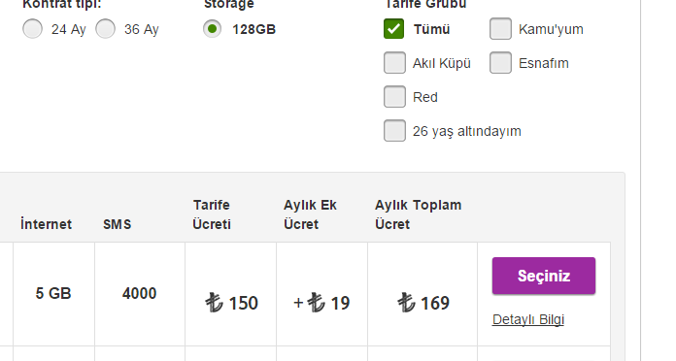

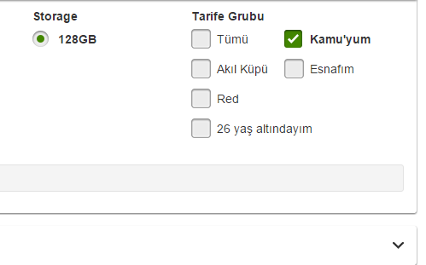
Screenshot 3

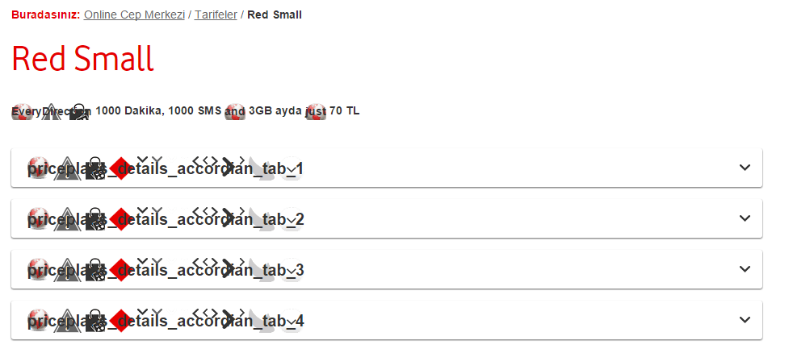
Screenshot 4

Screenshot 5

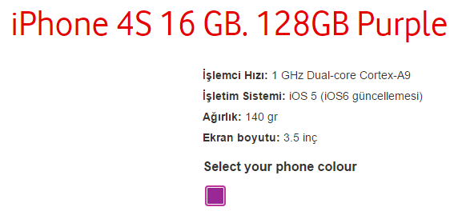
Screenshot 6

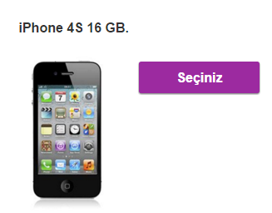
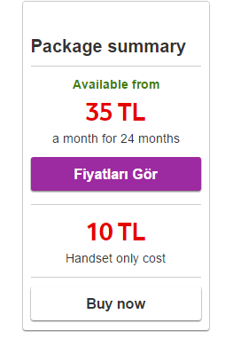
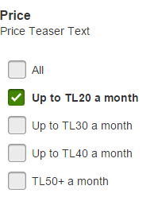
Screenshot 7 | Screenshot 8 | Screenshot 9

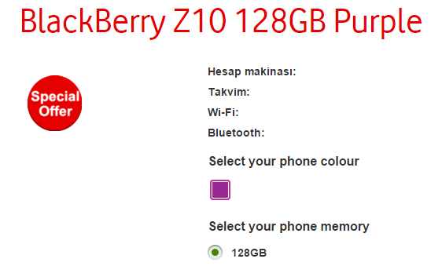
Screenshot 10

Screenshot 11

Screenshot 12

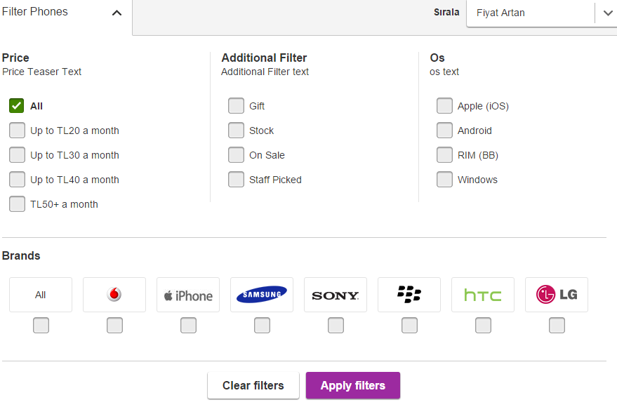
Screenshot 13

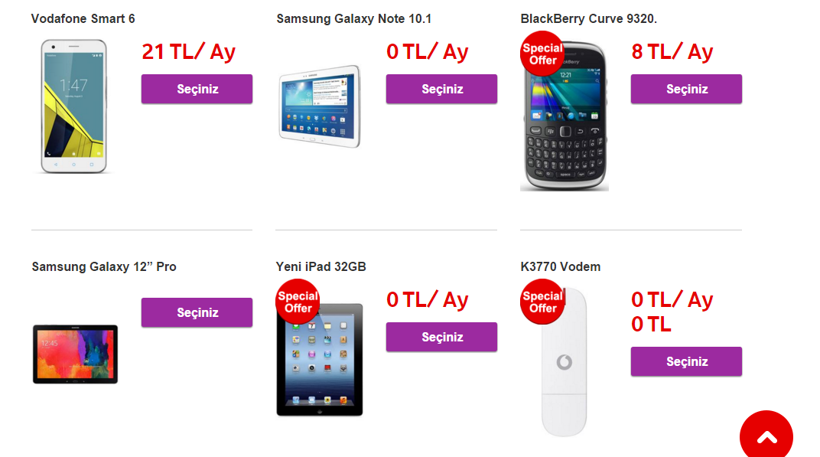
Screenshot 14

Screenshot 15

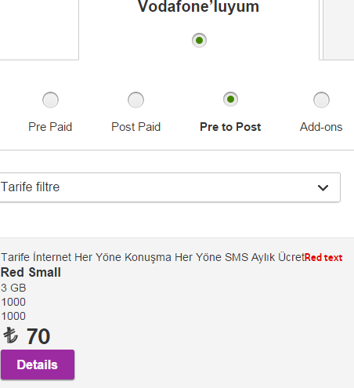
Screenshot 16

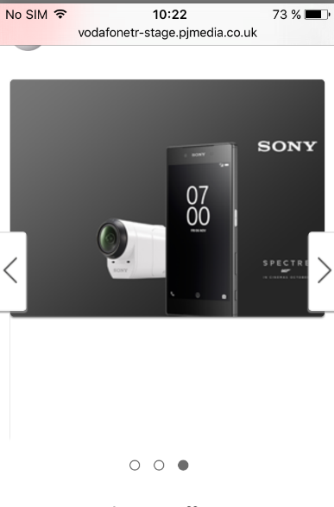
Screenshot 17
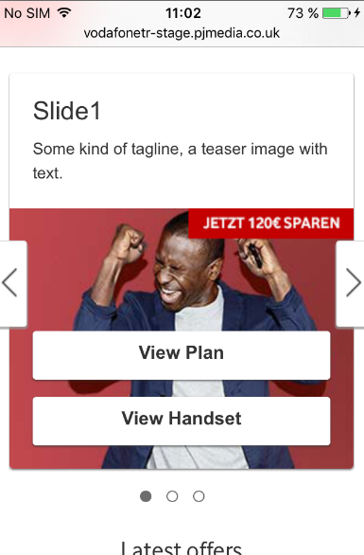

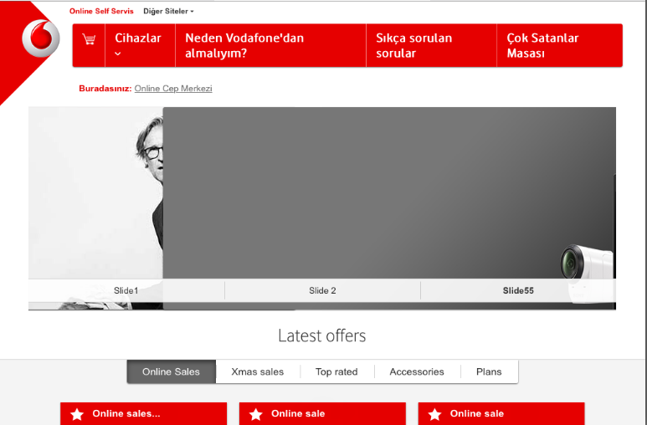
Screenshot 18

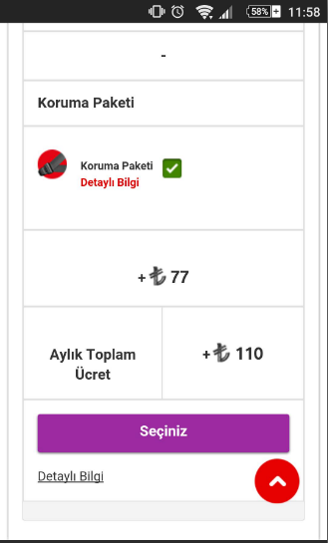
Screenshot 19

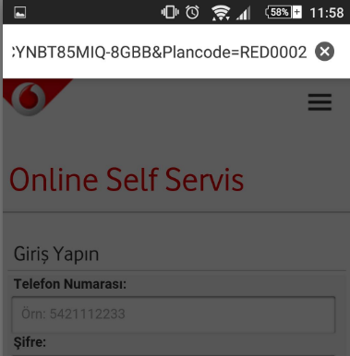

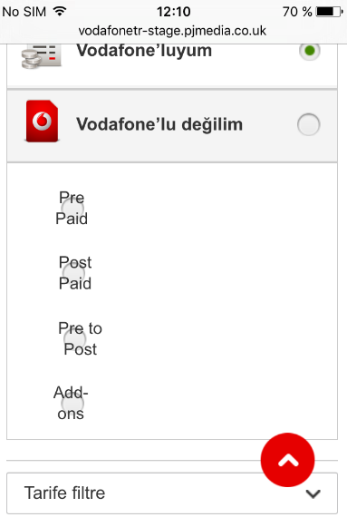
Screenshot 20

Test Report
Test cases Number | Not run | Failed | Completed | N/A
35 | 2 | 3 | 14 | 16
Requirements TraceabilityMatrix | Not run | Failed | Completed | N/A
73 | 6 | 43 | 24 | 0
Bugs | In Progress \ On hold | Open | Fixed \ Not A Bug
34 | 1 | 7 | 26

Test Cases Number
Requirements TraceabilityMatrix
Bugs

